Gráfico Markov - MTTF
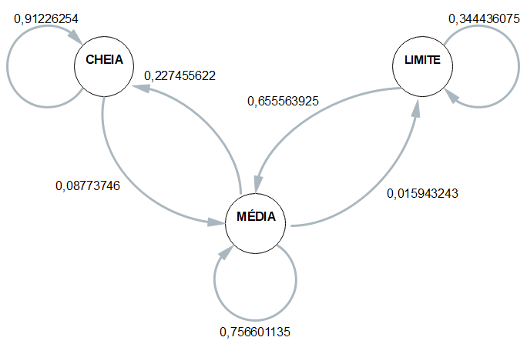
 | 1 | 2 | 3 | 4 | Media
CC | 0.91304347826 | 0.92063492063 | 0.89473684211 | 0.92063492063 | 0.91226254041
CM | 0.086956521739 | 0.079365079365 | 0.10526315789 | 0.079365079365 | 0.087737459591
CB | 0 | 0 | 0 | 0 | 0

MC | 0.24396782842 | 0.2480620155 | 0.15608465608 | 0.26170798898 | 0.22745562225
MM | 0.7399463807 | 0.73643410853 | 0.82275132275 | 0.72727272727 | 0.75660113481
MB | 0.016085790885 | 0.015503875969 | 0.021164021164 | 0.011019283747 | 0.015943242941

BC | 0 | 0 | 0 | 0 | 0
BM | 0.61666666667 | 0.62903225806 | 0.70512820513 | 0.67142857143 | 0.65556392532
BB | 0.38333333333 | 0.37096774194 | 0.29487179487 | 0.32857142857 | 0.34443607468

 | Esp1 | Esp2 | Esp3 | Esp4 |  | média
Hora Inicial | 16:04:23 | 16:09:50 | 16:14:13 | 16:18:36 |  | 16:11:46
Hora Limite 2,8 | 17:17:53 | 17:24:40 | 17:26:23 | 17:29:26 | MTTF | 17:24:36
Hora Final | 17:27:53 | 17:35:00 | 17:39:03 | 17:41:06 |  | 17:35:46
total de horas até 2,8 | 1:13:30 | 1:14:50 | 1:12:10 | 1:10:50 | 1:12:50 | 1:12:50

